80-20 Testing
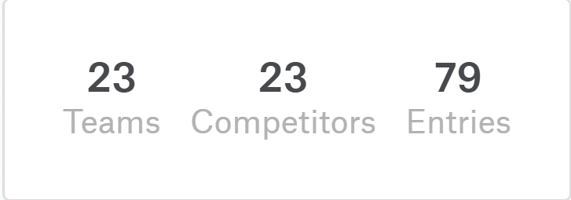
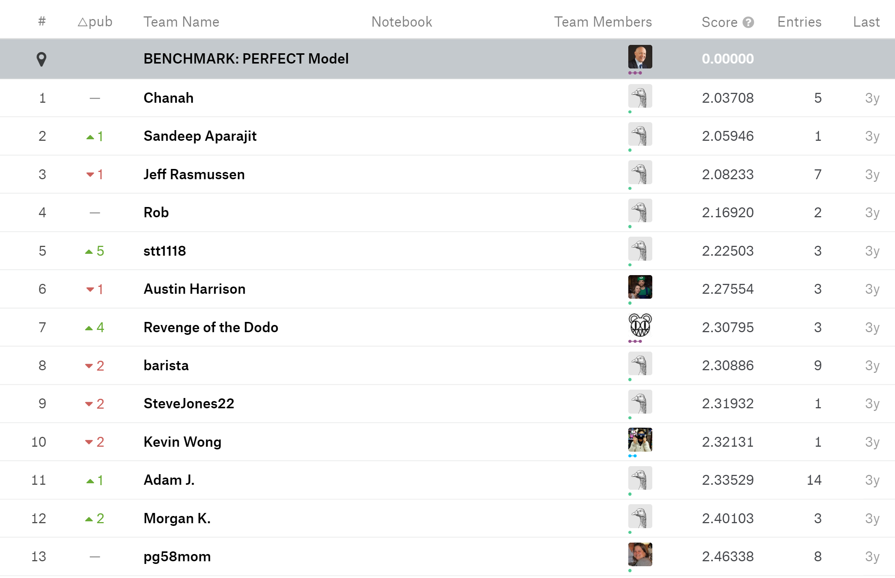
836 Test Rows, 3341 Training Rows |  |  |  | Benchmarks (https://www.kaggle.com/c/pred-411-2016-04-u3-abalone/overview)
Depth Limiting Parameter (rows) | % Correct | Average Diference (MAE) | Root Mean Squared Error(RMSE)

10 | 24.73% | 1.77 | 2.69
100 | 29.99% | 1.38 | 2.15
150 | 29.39% | 1.36 | 2.12
200 | 29.15% | 1.35 | 2.10
225 | 28.55% | 1.36 | 2.07
237 | 28.67% | 1.36 | 2.07
245 | 28.79% | 1.35 | 2.07
250 | 28.79% | 1.35 | 2.07
260 | 28.79% | 1.35 | 2.07
265 | 28.79% | 1.35 | 2.07
275 | 28.79% | 1.38 | 2.19
300 | 28.79% | 1.38 | 2.19
400 | 27.84% | 1.45 | 2.33

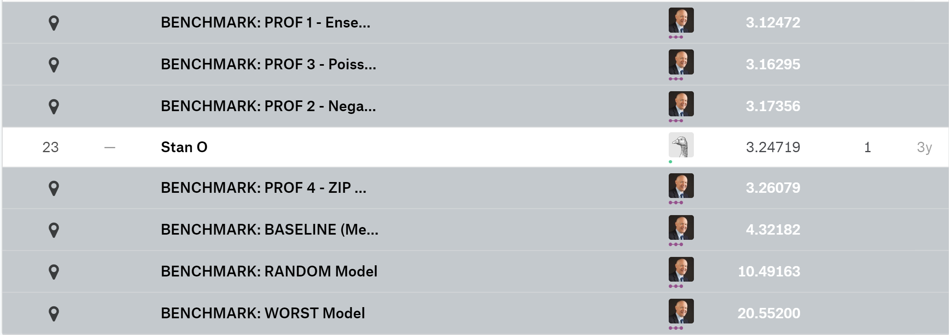
 |  |  |  | … | … | … | … | … | … | … | … | …

Benchmarks
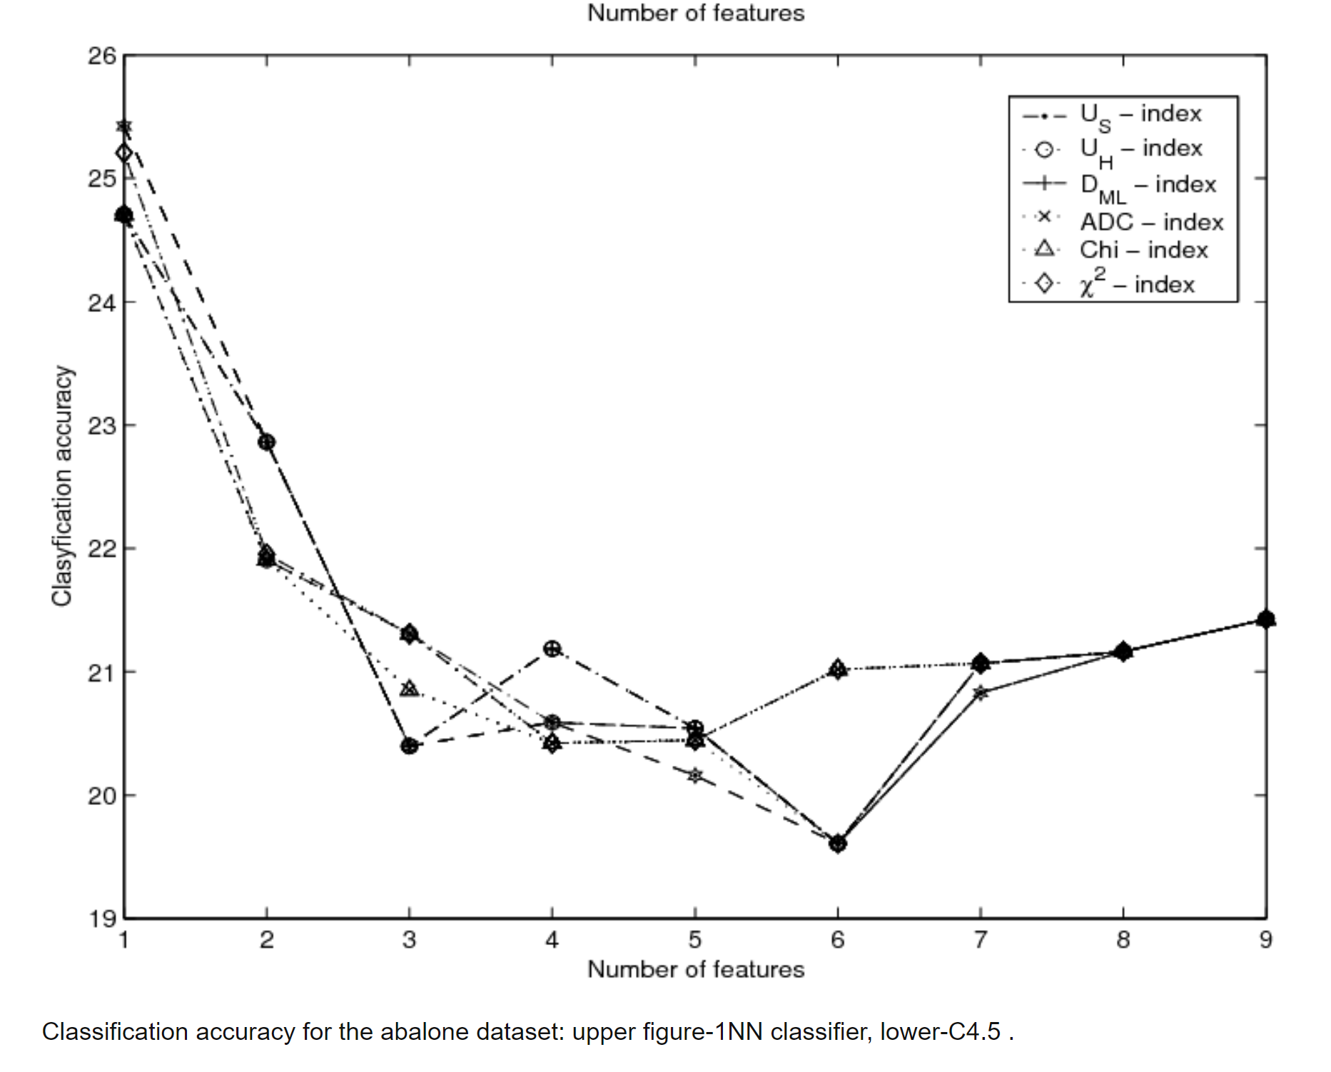
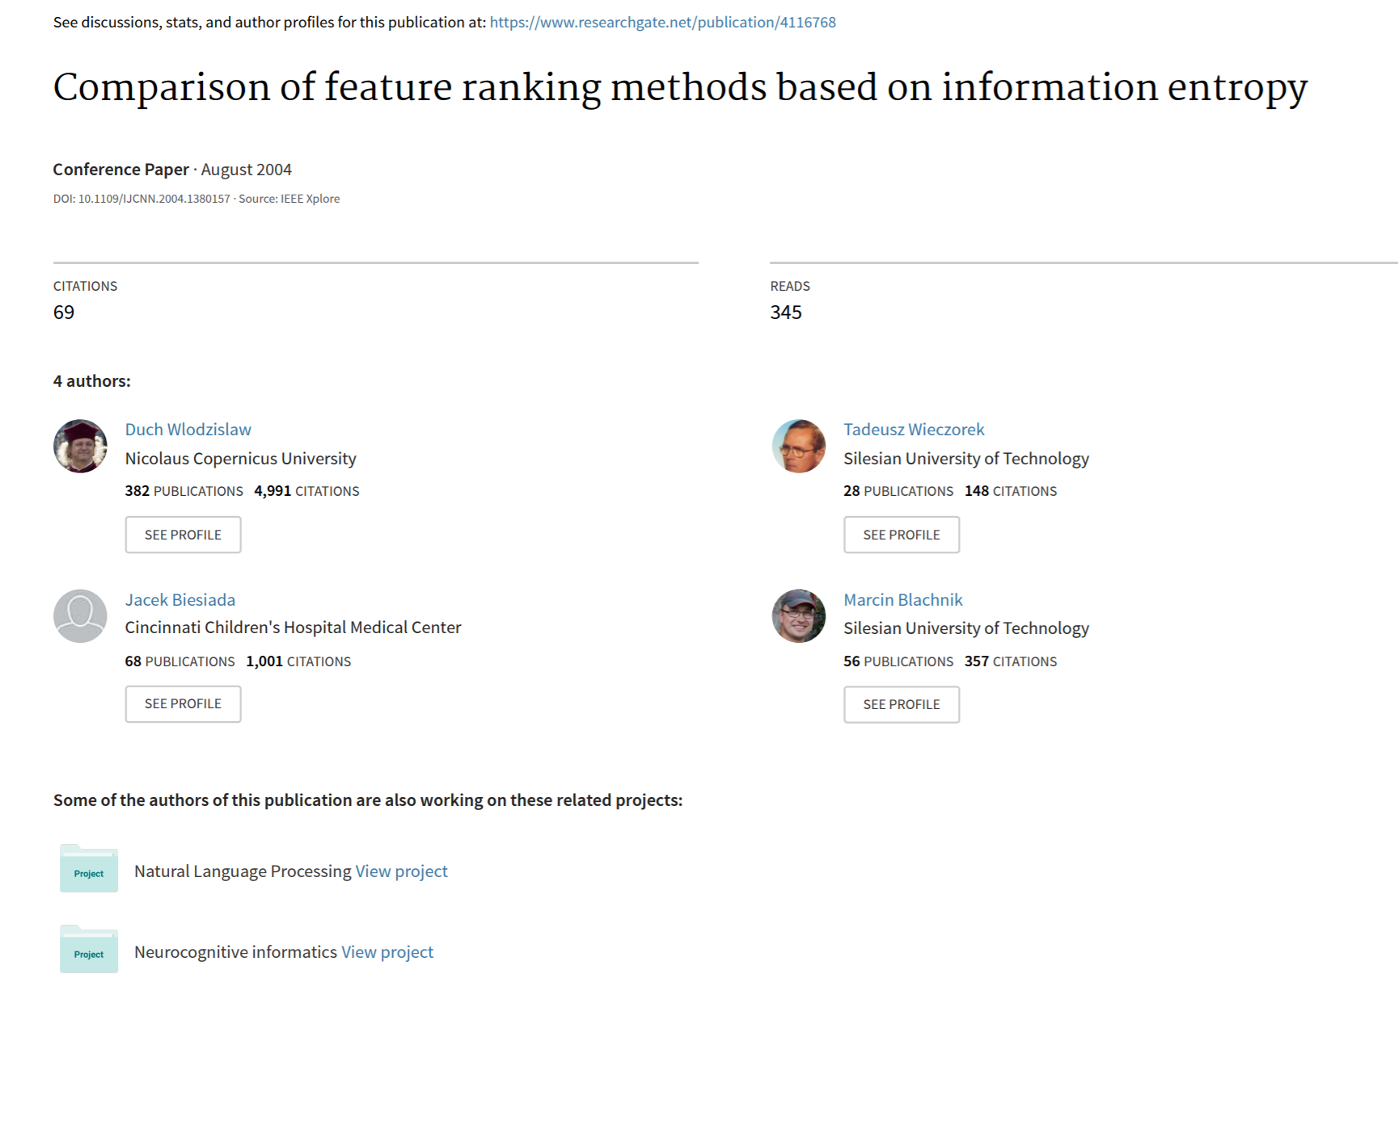
https://www.researchgate.net/figure/Classification-accuracy-for-the-abalone-dataset-upper-figure-1NN-classifier-lower-C45_fig1_4116768
file:///C:/Users/Andy%20Rippington/Downloads/Comparison_of_feature_ranking_methods_based_on_inf.pdf

